Sheet1
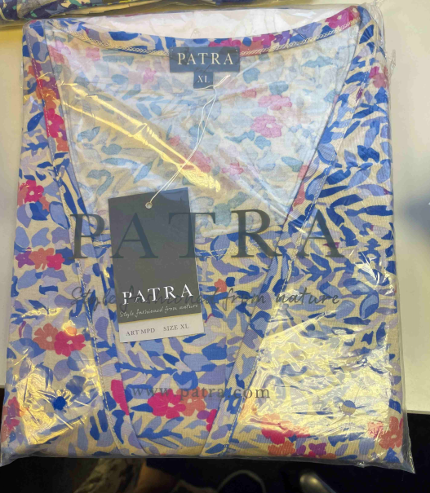
DESCRIPTION | Units | RRP (rough guide) | Total RRP
ABCMS – STRIPED JERSEY MAXI SKIRT / SMALL / PRUSSIAN BLUE | 1 | £50.80 | £50.80
ABLLB – LONG LEG BRIEFS / LARGE / WHITE | 1 | £16.60 | £16.60
ABSS - BAMBOO/COTT./SPANDEX SOCKS / L / PK 19 - MIX | 1 | £15.00 | £15.00
ABSS - BAMBOO/COTT./SPANDEX SOCKS / M / PK 11 | 1 | £15.00 | £15.00
ACT - JERSEY PRINTED COWL NECK TOP / 3XL / BRITTANY | 4 | £44.00 | £176.00
ACT - JERSEY PRINTED COWL NECK TOP / 3XL / STORM | 1 | £44.00 | £44.00
ACT - JERSEY PRINTED COWL NECK TOP / LARGE / LAGUNA | 2 | £44.00 | £88.00
ACT - JERSEY PRINTED COWL NECK TOP / LARGE / SEA GREEN | 1 | £44.00 | £44.00
ACT - JERSEY PRINTED COWL NECK TOP / MEDIUM / LAGUNA | 2 | £44.00 | £88.00
AGIBC – BAMBOO NECK & CHEST WARMERS / 1 / MARIGOLD | 2 | £13.40 | £26.80
AJMS - JERSEY FLARE MIDI SKIRT / 2XL / GARNET | 1 | £49.50 | £49.50
AJMS - JERSEY FLARE MIDI SKIRT / LARGE / BLUE | 2 | £49.50 | £99.00
AJMS - JERSEY FLARE MIDI SKIRT / LARGE / CLASSIC BLUE | 8 | £49.50 | £396.00
AJMS - JERSEY FLARE MIDI SKIRT / LARGE / MAPLE | 1 | £49.50 | £49.50
AJMS - JERSEY FLARE MIDI SKIRT / LARGE / SEA GREEN | 8 | £49.50 | £396.00
AJMS - JERSEY FLARE MIDI SKIRT / LARGE / TEAL | 3 | £49.50 | £148.50
AJMS - JERSEY FLARE MIDI SKIRT / MEDIUM / CAPRI | 1 | £49.50 | £49.50
AJMS - JERSEY FLARE MIDI SKIRT / MEDIUM / CLASSIC BLUE | 1 | £49.50 | £49.50
AJMS - JERSEY FLARE MIDI SKIRT / MEDIUM / SEA GREEN | 1 | £49.50 | £49.50
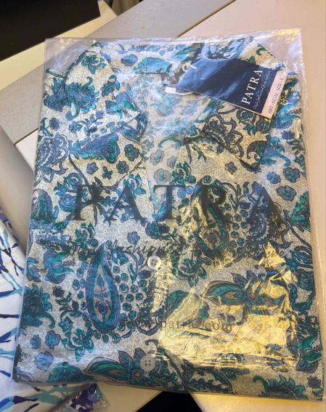
AJMS - JERSEY FLARE MIDI SKIRT / MEDIUM / TOFFEE | 2 | £49.50 | £99.00
AJMS - JERSEY FLARE MIDI SKIRT / SMALL / BERRY | 1 | £49.50 | £49.50
AJMS - JERSEY FLARE MIDI SKIRT / SMALL / BLUE | 5 | £49.50 | £247.50
AJMS - JERSEY FLARE MIDI SKIRT / SMALL / CAPRI | 5 | £49.50 | £247.50
AJMS - JERSEY FLARE MIDI SKIRT / SMALL / ORCHID | 1 | £49.50 | £49.50
AJMS - JERSEY FLARE MIDI SKIRT / SMALL / SCARLET | 1 | £49.50 | £49.50
AJMS - JERSEY FLARE MIDI SKIRT / SMALL / SEA GREEN | 2 | £49.50 | £99.00
AJMS - JERSEY FLARE MIDI SKIRT / SMALL / TEAL | 1 | £49.50 | £49.50
AJMS - JERSEY FLARE MIDI SKIRT / XL / BLUE | 1 | £49.50 | £49.50
AJMS - JERSEY FLARE MIDI SKIRT / XL / CAPRI | 4 | £49.50 | £198.00
AJMS - JERSEY FLARE MIDI SKIRT / XL / COBALT | 3 | £49.50 | £148.50
AJMS - JERSEY FLARE MIDI SKIRT / XL / MARINA | 1 | £49.50 | £49.50
AJMS - JERSEY FLARE MIDI SKIRT / XL / ORCHID | 1 | £49.50 | £49.50
AJMS - JERSEY FLARE MIDI SKIRT / XL / TEAL | 4 | £49.50 | £198.00
AJMS - JERSEY FLARE MIDI SKIRT / XL / TOFFEE | 14 | £49.50 | £693.00
AJMS - JERSEY FLARE MIDI SKIRT / XL / ULTRAMARINE | 3 | £49.50 | £148.50
AMCPD - COTTON JERSEY DRESS / SMALL / LEGION BLUE | 1 | £67.85 | £67.85
ANCTS – COTTON DENIM SHIRT / LARGE / BLUE | 1 | £61.25 | £61.25
ANCTS – COTTON DENIM SHIRT / MEDIUM / CORAL | 1 | £61.25 | £61.25
ANCTS – COTTON DENIM SHIRT / MEDIUM / DENIM BLUE | 1 | £61.25 | £61.25
ANCTS – COTTON DENIM SHIRT / SMALL / BLUE | 2 | £61.25 | £122.50
ANCTS – COTTON DENIM SHIRT / XL / CORAL | 1 | £61.25 | £61.25
ANJ - A/A/P V-NOTCH NECKLINE JUMPER / LARGE / STRIPE | 12 | £45.00 | £540.00
ANJ - A/A/P V-NOTCH NECKLINE JUMPER / XL / NATURAL | 5 | £45.00 | £225.00
ANJ - A/A/P V-NOTCH NECKLINE JUMPER / XL / STRIPE | 2 | £45.00 | £90.00
ATF - SILK CHIFFON SCARF / 1 / SEA BLUE | 1 | £26.30 | £26.30
ATYJ – COTTON TEXTURED YOKE JUMPER / 2XL / AQUA | 1 | £50.00 | £50.00
ATYJ – COTTON TEXTURED YOKE JUMPER / 2XL / SPRING GREEN | 2 | £50.00 | £100.00
ATYJ – COTTON TEXTURED YOKE JUMPER / 2XL / NATURAL | 4 | £50.00 | £200.00
ATYJ – COTTON TEXTURED YOKE JUMPER / 2XL / ROSEBUD | 5 | £50.00 | £250.00
ATZ - SILK AZTEC PRINT SCARF / 1 / NAVY/OCEAN | 1 | £17.50 | £17.50
AWS - ANGORA & LAMBSWOOL SCARF / 1 / GARNET | 1 | £75.90 | £75.90
AWS - ANGORA & LAMBSWOOL SCARF / 1 / SILVER | 10 | £75.90 | £759.00
AZTP – COTTON JERSEY TUNIC TOP / MEDIUM / EMERALD | 2 | £50.85 | £101.70
AZTP – COTTON JERSEY TUNIC TOP / SMALL / EMERALD | 1 | £50.85 | £50.85
AZTP – COTTON JERSEY TUNIC TOP / SMALL / MAHOGANY | 5 | £50.85 | £254.25
AZTP – COTTON JERSEY TUNIC TOP / SMALL / PLUM | 1 | £50.85 | £50.85
AZTP – COTTON JERSEY TUNIC TOP / SMALL / ASH ROSE | 1 | £50.85 | £50.85
AZTP – COTTON JERSEY TUNIC TOP / SMALL / WISTERIA | 3 | £50.85 | £152.55
BB - BUTTERFLY BROOCH / 1 / MULTI | 3 | £10.00 | £30.00
BBR – NATURAL BAMBOO BATH ROBE / L-XL / NATURAL | 3 | £66.45 | £199.35
BBTS - COTT. SAFARI STYLE BLOUSE / 2XL / PEACH | 1 | £48.95 | £48.95
BBTS - COTT. SAFARI STYLE BLOUSE / XL / CORNFLOWER | 1 | £26.25 | £26.25
BBV1 – BAMBOO-COTTON SHORT SLEEVE VEST / 0 - 12 MONTHS / CREAM | 76 | £10.80 | £820.80
BBV2 – BAMBOO-COTTON SHORT SLEEVE VEST / 2-3 YEARS / CREAM | 107 | £10.80 | £1,155.60
BBV3 – BAMBOO-COTTON SHORT SLEEVE VEST / 4-5 YEARS / CREAM | 54 | £10.80 | £583.20
BBV4 – BAMBOO-COTTON SHORT SLEEVE VEST / 6-7 YEARS / CREAM | 48 | £10.80 | £518.40
BBV5 – BAMBOO-COTTON SHORT SLEEVE VEST / 8-9 YEARS / CREAM | 78 | £10.80 | £842.40
BBVL - SILK L/SLEEVE BABYGROW / 1 (0-6M) / CREAM | 51 | £30.00 | £1,530.00
BBVL - SILK L/SLEEVE BABYGROW / 2 (6-12M) / CREAM | 59 | £30.00 | £1,770.00
BBVS - SILK S/SLEEVE BABYGROW / 1 (0-6M) / CREAM | 72 | £29.00 | £2,088.00
BBVS - SILK S/SLEEVE BABYGROW / 2 (6-12M) / CREAM | 86 | £29.00 | £2,494.00
BCFS - COTTON PLAIN FITTED SHEET / SINGLE / WHITE | 16 | £59.85 | £957.60
BCFT – BAMBOO-COTTON FLARE TOP / SMALL / NAVY | 1 | £39.65 | £39.65
BCGD - BRUSHED COTTON SHIRT DRESS / SMALL / BRITTANY | 1 | £54.60 | £54.60
BCGD - BRUSHED COTTON SHIRT DRESS / XL / BRITTANY | 1 | £54.60 | £54.60
BCGD - BRUSHED COTTON SHIRT DRESS / XL / NAUTICAL | 5 | £54.60 | £273.00
BCID - COTTON R/N WITH SIDE ZIP DRESS / MEDIUM / BRITTANY | 1 | £51.40 | £51.40
BCJD – BAMBOO - COTTON DRESS / 2XL / LILY GREEN | 1 | £54.35 | £54.35
BCJD – BAMBOO - COTTON DRESS / 2XL / PRUSSIAN BLUE | 1 | £54.35 | £54.35
BCJD – BAMBOO - COTTON DRESS / LARGE / LEAF | 1 | £54.35 | £54.35
BCJD – BAMBOO - COTTON DRESS / SMALL / LEAF | 2 | £54.35 | £108.70
BCJD – BAMBOO - COTTON DRESS / SMALL / TEAL | 1 | £54.35 | £54.35
BCJD – BAMBOO - COTTON DRESS / XL / PRUSSIAN BLUE | 1 | £54.35 | £54.35
BCJD – BAMBOO - COTTON DRESS / XL / TEAL | 1 | £54.35 | £54.35
BCLT - BAMBOO-COTTON TOP WITH TIES / 2XL / WHITE | 1 | £39.60 | £39.60
BCLT - BAMBOO-COTTON TOP WITH TIES / 2XL / GINGER | 1 | £37.50 | £37.50
BCM - MEN'S BRUSHED COTTON SHIRT / 2XL / MIDNIGHT | 1 | £39.75 | £39.75
BCM - MEN'S BRUSHED COTTON SHIRT / SMALL / CHECKS | 1 | £39.75 | £39.75
BCM - MEN'S BRUSHED COTTON SHIRT / SMALL / MIDNIGHT | 3 | £39.75 | £119.25
BCM - MEN'S BRUSHED COTTON SHIRT / XL / MIDNIGHT | 6 | £39.75 | £238.50
BCMS – STRIPED JERSEY SKIRT / 2XL / EUCALYPTUS | 4 | £50.80 | £203.20
BCMS – STRIPED JERSEY SKIRT / 2XL / NAVY | 1 | £50.80 | £50.80
BCMS – STRIPED JERSEY SKIRT / LARGE / EUCALYPTUS | 3 | £50.80 | £152.40
BCMS – STRIPED JERSEY SKIRT / LARGE / LATTE | 5 | £50.80 | £254.00
BCMS – STRIPED JERSEY SKIRT / LARGE / NAVY | 2 | £50.80 | £101.60
BCMS – STRIPED JERSEY SKIRT / MEDIUM / EUCALYPTUS | 1 | £50.80 | £50.80
BCMS – STRIPED JERSEY SKIRT / MEDIUM / LATTE | 2 | £50.80 | £101.60
BCMS – STRIPED JERSEY SKIRT / MEDIUM / NAVY | 15 | £50.80 | £762.00
BCMS – STRIPED JERSEY SKIRT / SMALL / NAVY | 1 | £50.80 | £50.80
BCMS – STRIPED JERSEY SKIRT / XL / EUCALYPTUS | 6 | £50.80 | £304.80
BCMS – STRIPED JERSEY SKIRT / XL / LATTE | 1 | £50.80 | £50.80
BCMS – STRIPED JERSEY SKIRT / XL / NAVY | 1 | £50.80 | £50.80
BCN - BAMBOO & COTT. C/S N/DRESS / SMALL / CASHMERE ROSE | 7 | £58.90 | £412.30
BCP – BAMBOO-COTTON LONG JOHNS / 2-3 YEARS / CREAM | 8 | £15.20 | £121.60
BCP – BAMBOO-COTTON LONG JOHNS / 4-5 YEARS / CREAM | 27 | £15.20 | £410.40
BCP – BAMBOO-COTTON LONG JOHNS / 6-7 YEARS / CREAM | 28 | £15.20 | £425.60
BCP – BAMBOO-COTTON LONG JOHNS / 8-9 YEARS / CREAM | 14 | £15.20 | £212.80
BCP – BAMBOO-COTTON LONG JOHNS / 10-11 YEARS / CREAM | 14 | £15.20 | £212.80
BCP – BAMBOO-COTTON LONG JOHNS / 12-13 YEARS / CREAM | 33 | £15.20 | £501.60
BCP – BAMBOO-COTTON LONG JOHNS / 14-15 YEARS / CREAM | 34 | £15.20 | £516.80
BCPC - COTTON PILLOWCASE / 1 / NUTMEG | 22 | £22.15 | £487.30
BCSC – COTTON PULL-ON SHORTS / LARGE / MULTI | 2 | £37.50 | £75.00
BCSC – COTTON PULL-ON SHORTS / SMALL / MEDITERRANEAN | 3 | £37.50 | £112.50
BCSC – COTTON PULL-ON SHORTS / SMALL / MULTI | 3 | £37.50 | £112.50
BCSC – COTTON PULL-ON SHORTS / SMALL / NAVY | 1 | £37.50 | £37.50
BCST - BAMBOO - COTTON S/LESS TOP / 2XL / LAVENDER | 1 | £19.10 | £19.10
BCST - BAMBOO - COTTON S/LESS TOP / 3XL / BLACK | 1 | £19.10 | £19.10
BCST - BAMBOO - COTTON S/LESS TOP / 3XL / DAISY | 2 | £19.10 | £38.20
BCST - BAMBOO - COTTON S/LESS TOP / LARGE / SAGE | 1 | £19.10 | £19.10
BCST - BAMBOO - COTTON S/LESS TOP / MEDIUM / BLACK | 1 | £19.10 | £19.10
BCST - BAMBOO - COTTON S/LESS TOP / SMALL / LAVENDER | 1 | £19.10 | £19.10
BCST - BAMBOO - COTTON S/LESS TOP / SMALL / SAGE | 1 | £19.10 | £19.10
BCST - BAMBOO - COTTON S/LESS TOP / SMALL / WHITE | 1 | £19.10 | £19.10
BCT - BAMBOO & COTT. ROLL COLLAR TOP / 2XL / CELESTIAL BLUE | 1 | £31.15 | £31.15
BCT - BAMBOO & COTT. ROLL COLLAR TOP / 2XL / CREAM | 1 | £31.15 | £31.15
BCT - BAMBOO & COTT. ROLL COLLAR TOP / 2XL / RASPBERRY | 1 | £31.15 | £31.15
BCT - BAMBOO & COTT. ROLL COLLAR TOP / MEDIUM / MERLOT | 2 | £31.15 | £62.30
BCT - BAMBOO & COTT. ROLL COLLAR TOP / MEDIUM / NECTARINE | 1 | £31.15 | £31.15
BCT - BAMBOO & COTT. ROLL COLLAR TOP / MEDIUM / SEA GREEN | 24 | £31.15 | £747.60
BCT - BAMBOO & COTT. ROLL COLLAR TOP / SMALL / AUBERGINE | 1 | £31.15 | £31.15
...

